Sheet1
 |  |  | Data Ware house

 | BI | + | Data Lake |  |  |  | = | Best Value

 |  |  | Data Virtualization

 |  |  | Operational data Stores
Data Ware House concepts
 |  |  |  |  | Data virtualization |  |  | read-only DDBMS
 |  |  | DDDMS's |  |  |  |  | in-place data access (do not copy data, use from original location)

 |  |  |  |  | Data Warehousing

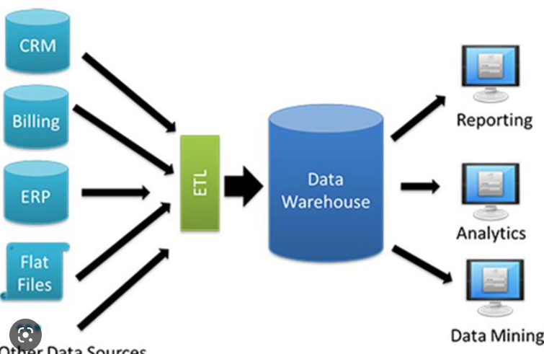
 |  | exaple pic
Data Ware Acrchitecture


ETL

ETL
ETL
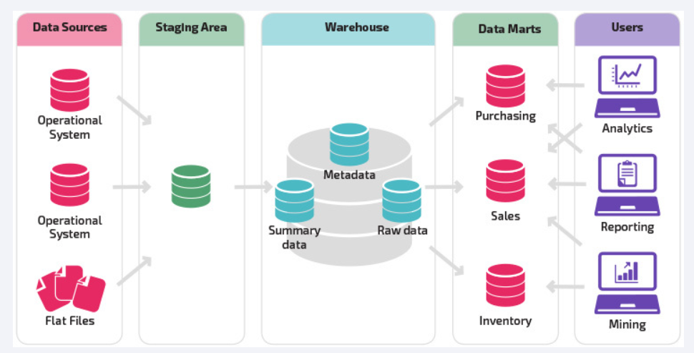

ETL

 |  | SUPPLIERS |  |  |  |  | WHOLE SALERS |  |  |  |  |  |  | RETAILERS

 |  | Independent data marts doesn't need data ware houses

 |  | Data Warehousing
 |  |  |  |  | Centraized --> EDW -->relational , special database
 |  |  |  |  | Centraized --> Data Lake --> special database, Hadoop, AWS other etc
 |  |  |  |  |  |  | HIGH cross-org coop, data governance
 |  |  |  |  |  |  | ripple effects
 |  |  |  |  | Component Based--> architected-->DW+DM-->dependent DM's
 |  |  |  |  |  |  | divide data into multiple componenets
 |  |  |  |  |  |  | overcome other challenges

 |  | CUBE | ---> | Multi Dimensional database(MDBMS)

 |  |  | Not a relational database
 |  |  | fast query response
 |  |  | modest data

 |  | OPERATIONAL DATA STORE(ODS)

 |  |  | Integrates data from ultiple sources
 |  |  | emphasis on current operational data
 |  |  | often real time source
 |  |  | LESS POPULAR
 |  |  | superseded by BIG DATA

RAPID
ETL
BATCH
ETL

Data WareHouse

STAGING
LAYER
USER ACCESS LAYER

 |  |  |  | STAGING |  |  |  |  |  | USER ACCESS LAYER
 |  |  |  |  | Landing area for Incoming sources |  |  |  |  |  | where users go
 |  |  |  |  | "E" portion of ETL |  |  |  |  |  | Dimensional data
 |  |  |  |  | Two variations
 |  |  |  |  |  | Persistent Staging
 |  |  |  |  |  |  | Once staged or COPIED from data sources we are not removing
 |  |  |  |  |  | Non Persistent Staging
 |  |  |  |  |  |  | Once staged or COPIED from data sources we are removing data from staging
Data WareHouse
 |  |  |  | Example
Departments
Faculty
Departments
Faculty

 |  |  |  |  | Data Sources |  |  |  |  | Staging |  |  | USER ACCESS LAYER

 |  |  |  |  |  |  |  |  | basically COPYING from data sources
 |  |  |  |  |  |  |  |  |  | To Staging Layer

Bring Data to DataWareHouse
 |  | ETL
 |  |  | EXTRACT |  |  |  |  |  |  | Challenges
 |  |  |  | quickly pull data from applications |  |  |  |  |  |  | Significant data analysis
 |  |  |  | done in batches |  |  |  |  |  |  | Significant data modelling
 |  |  |  | RAW format, errors 7 all

 |  |  | TRANSFORM |  |  |  |  |  |  | ETL | ---> | ELT
 |  |  |  | compare the data apples to apples
 |  |  |  | prepare UNIFORM data in user access |  |  |  |  |  |  |  | Load first
 |  |  |  | complex |  |  |  |  |  |  |  | blast into BIG DATA
 |  |  |  |  |  |  |  |  |  |  |  | Load the whole thing in Raw format
 |  |  | LOAD
 |  |  |  | Store UNIFORM data in user access

 |  | TWO types of ETL
 |  |  | INITIAL ETL
 |  |  |  | Load one time only
 |  |  |  | right before datawarehouse goes for BI & analytics
 |  |  |  | redo if data warehouse blows up
 |  |  | INCREMENTAL ETL
 |  |  |  | Incrementally refresh |  |  |  |  | four types of Incremental ETL
 |  |  |  | bring in new data |  |  |  |  |  | by | append |  | ==> adding new data
 |  |  |  | bring in modified data |  |  |  |  |  |  | In- Place data |  | ==> updating existing data
 |  |  |  | Bring data warehouse UP to DATE |  |  |  |  |  |  | Complete replacement |  |  | ==> removing entire data and adding updateed version
 |  |  |  |  |  |  |  |  |  |  | Rolling Data |  | ==> removing or erasing oldest weeks data

 |  | TRANSFORM
 |  |  | Uniformity
 |  |  | Restructuring
 |  |  |  |  | Data value Unification
 |  |  |  |  |  | ex: one college store rank as P other as Professor
 |  |  |  |  |  | SO when merging in staging going with shorter notation as "P"

 |  |  |  |  | Data type & size Unification
 |  |  |  |  |  | In this case |  |  | f name | l name | rank
 |  |  |  |  |  |  | college 1 |  | 35 char | 20 char | 3 char
 |  |  |  |  |  |  | college 2 |  | 30 char | 25 char | 10 char

 |  |  |  |  |  |  | Merged |  | 35 char | 25 char | 3 char

 |  |  |  |  | De-Duplication
 |  |  |  |  |  | Lets is vikram is taking classes in two colleges 1 & 2
 |  |  |  |  |  | But in STUDENT DIMENSION it should be unique
 |  |  |  |  |  | only one row with Vikram

 |  |  |  |  | Dropping columns(vertical slice)
 |  |  |  |  |  | drop columns in staging, if its not required

 |  |  |  |  | value based row filter (horizontal slicing)
 |  |  |  |  |  | Filtering only who are studying Data science and pushing into Data Mart

 |  |  |  |  | Correcting Errors
 |  |  |  |  |  | removing errors while going into data warrehouse

Data WareHouse Design

 |  | DIMENSIONALITY

 |  |  | Bring dimensional context to measurements

 |  |  | Measurements ==> FACTS
 |  |  |  | something quantifiable
 |  |  |  | ex: Salary, Loan, balance
 |  |  | Dimensional ==> DIMENSIONS
 |  |  |  | Dimensional context
 |  |  |  | ex: rank, dept, year
 |  |  |  | ex: major,class year, campus

 |  |  | Facts
 |  |  |  | numeric & quantifiable
 |  |  |  | store facts in fact table
 |  |  |  | can used to calc averages, sum etc
 |  |  | Dimensions
 |  |  |  | Major, student, employee
 |  |  |  | store dimensions in dimension table

 |  | Star vs SnowFlake

 |  |  | OLAP = mean Dimensional Analysis

 |  |  | Dimension data = fatcs & dimensions, fatc tables & dimension tables
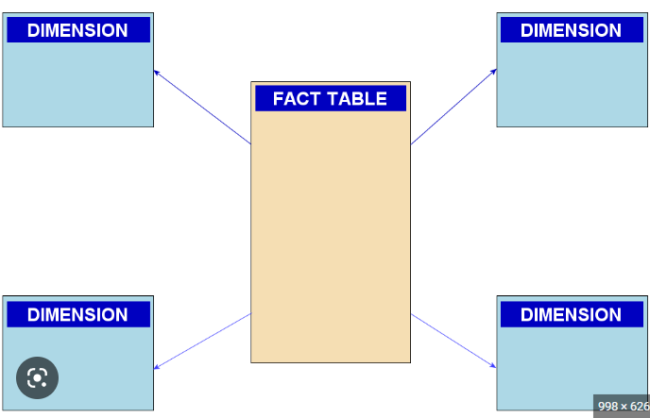
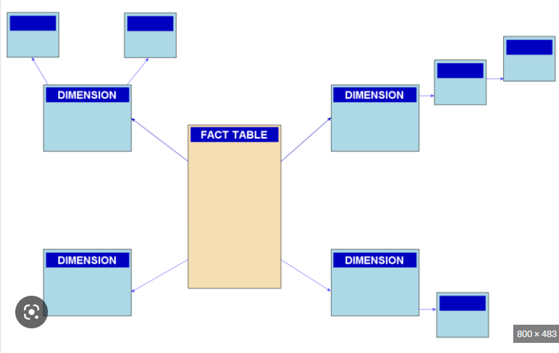
 |  |  | fact tables & dimension tables
 |  |  |  | star schema
 |  |  |  |  | one level away from fact table
 |  |  |  | snow flake
 |  |  |  |  | each dimension level in its own table

 |  | Database Keys

 |  |  | Primary Key
 |  |  |  | Uniquely identify any given row of data
 |  |  |  | ex: | faculty ID | f name | l name | rank
 |  |  |  | ex: | dept ID | dept name | year

 |  |  | Foreign Key
 |  |  |  | Some other's table Primary Key
 |  |  |  | ex: | faculty ID | f name | l name | rank | dept ID
 |  |  |  |  |  | dept ID | dept name | year

 |  |  | Natural Key
 |  |  |  | it’s a nick name rather than generating encryted number
 |  |  |  | ex: mkt01 --> Marketing dept
 |  |  |  | ex: mkt01 --> Marketing dept
 |  |  |  | these come from source system it'self, as it might be created by whoever generating it

 |  |  | Surrogate Key
 |  |  |  | Use this key instead Natural keys for BEST Practice
 |  |  |  | ex: | faculty_key |  | faculty_ID |  | l name | f name | rank

 |  |  |  | Don’t use Natural Keys, keep as secondary key
 |  |  |  | Use Surrogate keys you create

Design Facts & dimensions, Fact tables & dimension tables

 |  | Dimension Table
 |  |  |  | Faculty_DIM
 |  |  |  |  | Faculty_key (PK)
 |  |  |  |  | Faculty_ID |  | is a Natural Key |  | add Faculty_key as a Surrogate key and as Primary Key
 |  |  |  |  | f name
 |  |  |  |  | l name |  |  | dept_ID |  |  | colg_ID
 |  |  |  |  | year_joined |  |  | dept_name |  |  | colg_name
 |  |  |  |  | faculty_rank |  |  | dept_year |  |  | colg_year
 |  |  |  |  | dept_key (fk) |  |  | dept_key (pk) |  |  | dean
 |  |  |  |  |  |  |  | colg_key(fk) |  |  | colg_key(pk)

 |  |  |  | Student_DIM |  |  |  | Hierarchial dimensions |  |  |  |  |  |  | Flat dimensions
 |  |  |  |  | Student_key |  |  |  |  |  | (STAR_SCEMA)
 |  |  |  |  | Student_ID |  |  | College |  | colg_ID, colg_name,colg_year |  |  |  |  | Students
 |  |  |  |  | l name
 |  |  |  |  | f name |  |  | Department |  | dept_ID, dept_name,dept_year

 |  |  |  |  |  |  |  | Faculty

 |  | Fact Table
 |  |  |  | Transacition |  | from transactions
 |  |  |  | Periodic |  | regular periodic measurements
 |  |  |  | Accumulating |  | track the progress through varuious stages
 |  |  |  | Factless |  | no measurements just eiligibility relations, just PK/FK only

 |  |  |  | Tuition_payment_Fact |  |  |  | (Fact Table)

 |  |  |  |  | Tuition_payment |  |  | (Fact Measurement)
 |  |  |  |  | student_key
 |  |  |  |  | date_key

 |  | Fact table RULES |  | Rule : 1 Same level of detail (apply) |  |  |  |  | student |  |  |  | student
 |  |  |  |  |  |  |  |  |  | tuition bill |  |  |  | tuition_payment |  | same grain
 |  |  |  |  |  |  |  |  |  |  | date |  |  |  | date

 |  |  |  | Rule : 2 Facts occur simultaneously (Not apply)

 |  | Semi addtitive fact table

 |  |  |  | if I record balance every week
 |  |  |  | for that I cannot sum it, if I did it doesn’t make any sense

Managing Datawarehouse, SLOWLY CHANGING DIMENSIONS

 |  | Slowly Changing Dimensions

 |  |  |  | SCD's Three types --1,2,3
 |  |  |  | Techniques to manage history within data warehouse
 |  |  |  | multiple techniques based on historical data policies

 |  |  |  | Thre main policies

 |  |  |  | Type 1 | Overwirte old data |  |  |  | usage--> correct errors
 |  |  |  | Type 2 | unlimited history |  |  |  | usage--> existing stays as-is, new rows added, it maintains history
 |  |  |  | Type 3 | limited history |  |  |  | usage --> add new column rather than a row

ETL Design

 |  | ETL Design
 |  |  | ETL Architecture
 |  |  | Dimension & fatc tables
 |  |  | star & snow flake schema
 |  |  | slowly changing dimensions

 |  | Best practices
 |  |  | append |  |  | SCD 1 |  | Star schema |  |  | Transaction fact tables
 |  |  | in place update |  |  | SCD2

 |  |  | limit amt of data
 |  |  | process dimensions before facts
 |  |  | parallel processing

 |  | Dimension Table --> Incremental ETL

 |  |  | data prep --> change data capture, database logs
 |  |  | data transformation --> data value unification, data type & size uni\fication etc…
 |  |  | process new dimensions
 |  |  | SCD 1
 |  |  | SCD 2

 |  | ETL Fact tables

 |  |  | Process fact tables

